Daily Power Station Chart_14-01
Plant_03/07/2025Chart

Plant:odco1 |  |  | Installed Capacity:111.180kWp
Today Yield(kWh):514.400kWh |  | Today Earning:205760.000TND |  | Today Full Load Hours(h):4.63h

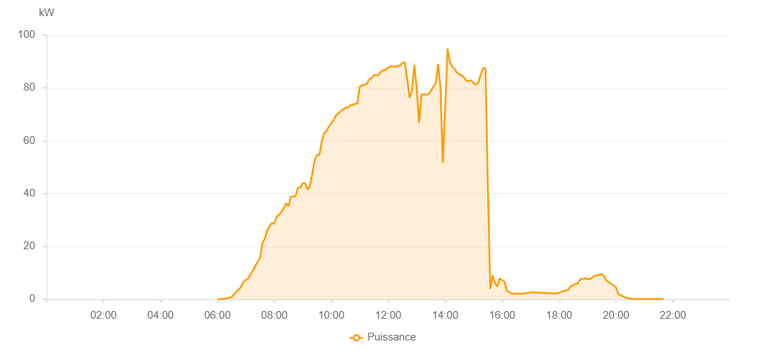

Number | Time | Working State | PV(W) | Instantaneous Radiation(W/㎡)
1 | 06:00:00 | Online | 20.00000 | 0
2 | 06:05:00 | Online | 40.00000 | 0
3 | 06:10:00 | Online | 90.00000 | 0
4 | 06:15:00 | Online | 220.00000 | 1.00000
5 | 06:20:00 | Online | 350.00000 | 1.00000
6 | 06:25:00 | Online | 640.00000 | 3.00000
7 | 06:30:00 | Online | 800.00000 | 9.00000
8 | 06:35:00 | Online | 1790.00000 | 10.00000
9 | 06:40:00 | Online | 2940.00000 | 17.00000
10 | 06:45:00 | Online | 3560.00000 | 28.00000
11 | 06:50:00 | Online | 4740.00000 | 30.00000
12 | 06:55:00 | Online | 6570.00000 | 46.00000
13 | 07:00:00 | Online | 7340.00000 | 74.00000
14 | 07:05:00 | Online | 7840.00000 | 90.00000
15 | 07:10:00 | Online | 9410.00000 | 101.00000
16 | 07:15:00 | Online | 10940.00000 | 112.00000
17 | 07:20:00 | Online | 12640.00000 | 131.00000
18 | 07:25:00 | Online | 14140.00000 | 152.00000
19 | 07:30:00 | Online | 15630.00000 | 178.00000
20 | 07:35:00 | Online | 21180.00000 | 201.00000
21 | 07:40:00 | Online | 22880.00000 | 237.00000
22 | 07:45:00 | Online | 26080.00000 | 267.00000
23 | 07:50:00 | Online | 27760.00000 | 290.00000
24 | 07:55:00 | Online | 28820.00000 | 307.00000
25 | 08:00:00 | Online | 28660.00000 | 333.00000
26 | 08:05:00 | Online | 31290.00000 | 328.00000
27 | 08:10:00 | Online | 32020.00000 | 356.00000
28 | 08:15:00 | Online | 33060.00000 | 370.00000
29 | 08:20:00 | Online | 34490.00000 | 395.00000
30 | 08:25:00 | Online | 36320.00000 | 415.00000
31 | 08:30:00 | Online | 35250.00000 | 398.00000
32 | 08:35:00 | Online | 38880.00000 | 424.00000
33 | 08:40:00 | Online | 38880.00000 | 466.00000
34 | 08:45:00 | Online | 39200.00000 | 472.00000
35 | 08:50:00 | Online | 42220.00000 | 474.00000
36 | 08:55:00 | Online | 42220.00000 | 455.00000
37 | 09:00:00 | Online | 43910.00000 | 456.00000
38 | 09:05:00 | Online | 43910.00000 | 448.00000
39 | 09:10:00 | Online | 41510.00000 | 440.00000
40 | 09:15:00 | Online | 42870.00000 | 425.00000
41 | 09:20:00 | Online | 47660.00000 | 470.00000
42 | 09:25:00 | Online | 52550.00000 | 496.00000
43 | 09:30:00 | Online | 54680.00000 | 538.00000
44 | 09:35:00 | Online | 54680.00000 | 574.00000
45 | 09:40:00 | Online | 59580.00000 | 593.00000
46 | 09:45:00 | Online | 62940.00000 | 610.00000
47 | 09:50:00 | Online | 63620.00000 | 622.00000
48 | 09:55:00 | Online | 65390.00000 | 637.00000
49 | 10:00:00 | Online | 66580.00000 | 651.00000
50 | 10:05:00 | Online | 67860.00000 | 665.00000
51 | 10:10:00 | Online | 69690.00000 | 678.00000
52 | 10:15:00 | Online | 70250.00000 | 690.00000
53 | 10:20:00 | Online | 71280.00000 | 701.00000
54 | 10:25:00 | Online | 71840.00000 | 715.00000
55 | 10:30:00 | Online | 72610.00000 | 731.00000
56 | 10:35:00 | Online | 72610.00000 | 742.00000
57 | 10:40:00 | Online | 73440.00000 | 753.00000
58 | 10:45:00 | Online | 73610.00000 | 763.00000
59 | 10:50:00 | Online | 74010.00000 | 772.00000
60 | 10:55:00 | Online | 74010.00000 | 779.00000
61 | 11:00:00 | Online | 80400.00000 | 794.00000
62 | 11:05:00 | Online | 81130.00000 | 800.00000
63 | 11:10:00 | Online | 81090.00000 | 804.00000
64 | 11:15:00 | Online | 81580.00000 | 814.00000
65 | 11:20:00 | Online | 83230.00000 | 828.00000
66 | 11:25:00 | Online | 83720.00000 | 838.00000
67 | 11:30:00 | Online | 84850.00000 | 841.00000
68 | 11:35:00 | Online | 84850.00000 | 855.00000
69 | 11:40:00 | Online | 84990.00000 | 860.00000
70 | 11:45:00 | Online | 86150.00000 | 865.00000
71 | 11:50:00 | Online | 86740.00000 | 870.00000
72 | 11:55:00 | Online | 86850.00000 | 871.00000
73 | 12:00:00 | Online | 87720.00000 | 880.00000
74 | 12:05:00 | Online | 88150.00000 | 885.00000
75 | 12:10:00 | Online | 88090.00000 | 889.00000
76 | 12:15:00 | Online | 88090.00000 | 891.00000
77 | 12:20:00 | Online | 88260.00000 | 896.00000
78 | 12:25:00 | Online | 88620.00000 | 900.00000
79 | 12:30:00 | Online | 89390.00000 | 904.00000
80 | 12:35:00 | Online | 89700.00000 | 914.00000
81 | 12:40:00 | Online | 83390.00000 | 921.00000
82 | 12:45:00 | Online | 76240.00000 | 772.00000
83 | 12:50:00 | Online | 78990.00000 | 737.00000
84 | 12:55:00 | Online | 88750.00000 | 867.00000
85 | 13:00:00 | Online | 80020.00000 | 644.00000
86 | 13:05:00 | Online | 66740.00000 | 626.00000
87 | 13:10:00 | Online | 77570.00000 | 813.00000
88 | 13:15:00 | Online | 77570.00000 | 980.00000
89 | 13:20:00 | Online | 77570.00000 | 980.00000
90 | 13:25:00 | Online | 77570.00000 | 980.00000
91 | 13:40:00 | Online | 81770.00000 | 831.00000
92 | 13:45:00 | Online | 89060.00000 | 587.00000
93 | 13:50:00 | Online | 80540.00000 | 1061.00000
94 | 13:55:00 | Online | 51570.00000 | 652.00000
95 | 14:00:00 | Online | 72340.00000 | 555.00000
96 | 14:05:00 | Online | 94910.00000 | 851.00000
97 | 14:10:00 | Online | 89820.00000 | 918.00000
98 | 14:15:00 | Online | 87940.00000 | 890.00000
99 | 14:20:00 | Online | 87210.00000 | 870.00000
100 | 14:25:00 | Online | 85790.00000 | 843.00000
101 | 14:30:00 | Online | 85210.00000 | 832.00000
102 | 14:35:00 | Online | 84620.00000 | 825.00000
103 | 14:40:00 | Online | 83960.00000 | 818.00000
104 | 14:45:00 | Online | 82480.00000 | 810.00000
105 | 14:50:00 | Online | 82740.00000 | 806.00000
106 | 14:55:00 | Online | 82860.00000 | 804.00000
107 | 15:00:00 | Online | 81810.00000 | 796.00000
108 | 15:05:00 | Online | 81140.00000 | 781.00000
109 | 15:10:00 | Online | 82080.00000 | 775.00000
110 | 15:15:00 | Online | 85070.00000 | 777.00000
111 | 15:20:00 | Online | 87520.00000 | 806.00000
112 | 15:25:00 | Online | 87470.00000 | 832.00000
113 | 15:30:00 | Online | 42550.00000 | 837.00000
114 | 15:35:00 | Fault | 3910.00000 | 253.00000
115 | 15:40:00 | Fault | 9040.00000 | 216.00000
116 | 15:45:00 | Fault | 6070.00000 | 171.00000
117 | 15:50:00 | Fault | 4840.00000 | 115.00000
118 | 15:55:00 | Online | 7940.00000 | 88.00000
119 | 16:00:00 | Online | 7150.00000 | 66.00000
120 | 16:05:00 | Online | 6530.00000 | 52.00000
121 | 16:10:00 | Online | 3220.00000 | 41.00000
122 | 16:15:00 | Online | 2650.00000 | 32.00000
123 | 16:20:00 | Online | 2170.00000 | 25.00000
124 | 16:25:00 | Online | 2150.00000 | 21.00000
125 | 16:30:00 | Online | 2170.00000 | 20.00000
126 | 16:35:00 | Online | 2050.00000 | 19.00000
127 | 16:40:00 | Online | 2090.00000 | 19.00000
128 | 16:45:00 | Online | 2130.00000 | 18.00000
129 | 16:50:00 | Online | 2350.00000 | 20.00000
130 | 16:55:00 | Online | 2410.00000 | 22.00000
131 | 17:00:00 | Online | 2560.00000 | 23.00000
132 | 17:05:00 | Online | 2620.00000 | 25.00000
133 | 17:10:00 | Online | 2550.00000 | 25.00000
134 | 17:15:00 | Online | 2510.00000 | 23.00000
135 | 17:20:00 | Online | 2390.00000 | 21.00000
136 | 17:25:00 | Online | 2380.00000 | 22.00000
137 | 17:30:00 | Online | 2440.00000 | 21.00000
138 | 17:35:00 | Online | 2280.00000 | 21.00000
139 | 17:40:00 | Online | 2230.00000 | 20.00000
140 | 17:45:00 | Online | 2240.00000 | 19.00000
141 | 17:50:00 | Online | 2100.00000 | 19.00000
142 | 17:55:00 | Online | 2250.00000 | 18.00000
143 | 18:00:00 | Online | 2430.00000 | 20.00000
144 | 18:05:00 | Online | 2820.00000 | 22.00000
145 | 18:10:00 | Online | 3110.00000 | 25.00000
146 | 18:15:00 | Online | 3390.00000 | 30.00000
147 | 18:20:00 | Online | 3730.00000 | 34.00000
148 | 18:25:00 | Online | 4970.00000 | 38.00000
149 | 18:30:00 | Online | 5380.00000 | 43.00000
150 | 18:35:00 | Online | 5800.00000 | 50.00000
151 | 18:40:00 | Online | 6080.00000 | 56.00000
152 | 18:45:00 | Online | 7640.00000 | 60.00000
153 | 18:50:00 | Online | 7720.00000 | 65.00000
154 | 18:55:00 | Online | 7930.00000 | 64.00000
155 | 19:00:00 | Online | 7730.00000 | 64.00000
156 | 19:05:00 | Online | 7580.00000 | 61.00000
157 | 19:10:00 | Online | 8210.00000 | 56.00000
158 | 19:15:00 | Online | 8900.00000 | 62.00000
159 | 19:20:00 | Online | 9020.00000 | 59.00000
160 | 19:25:00 | Online | 9260.00000 | 58.00000
161 | 19:30:00 | Online | 9500.00000 | 63.00000
162 | 19:35:00 | Online | 8710.00000 | 65.00000
163 | 19:40:00 | Online | 7020.00000 | 63.00000
164 | 19:45:00 | Online | 6500.00000 | 59.00000
165 | 19:50:00 | Online | 5780.00000 | 55.00000
166 | 19:55:00 | Online | 5220.00000 | 50.00000
167 | 20:00:00 | Online | 4450.00000 | 40.00000
168 | 20:05:00 | Online | 2030.00000 | 27.00000
169 | 20:10:00 | Online | 1510.00000 | 18.00000
170 | 20:15:00 | Online | 1080.00000 | 13.00000
171 | 20:20:00 | Online | 650.00000 | 9.00000
172 | 20:25:00 | Online | 470.00000 | 7.00000
173 | 20:30:00 | Online | 210.00000 | 3.00000
174 | 20:35:00 | Online | 140.00000 | 1.00000
175 | 20:40:00 | Online | 80.00000 | 0
176 | 20:45:00 | Online | 80.00000 | 0
177 | 20:50:00 | Online | 50.00000 | 0
178 | 20:55:00 | Online | 40.00000 | 0
179 | 21:00:00 | Online | 40.00000 | 0
180 | 21:05:00 | Online | 40.00000 | 0
181 | 21:10:00 | Online | 40.00000 | 0
182 | 21:15:00 | Online | 40.00000 | 0
183 | 21:20:00 | Online | 40.00000 | 0
184 | 21:25:00 | Online | 40.00000 | 0
185 | 21:30:00 | Online | 40.00000 | 0
186 | 21:35:00 | Online | 40.00000 | 0
187 | 21:40:00 | Online | 40.00000 | 0
188 | 22:00:00 | Online | 0.00001 | 0.00001

